ESPECIAL FLEET LINE N#1
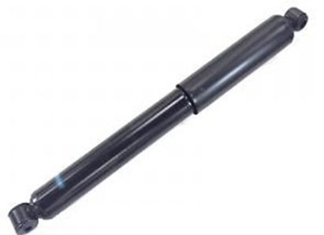
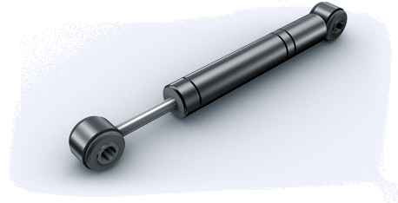
GABRIEL FLEETLINE TRUCK SHOCK ABSORBERS

Pick and Choose--$27.00ea--Minimum Order 200pcs

TAKE ALL DEAL--$20.00ea

Buy ALL--Buy SOME--MAKE OFFER

QUANTITY AVAILABLE | PART | DESCRIPTION | APPLICATION | SIZE |  |  | DUST TUBE | RECOIL CUTOFF
390 | 85322 | FLEETLINE 85 SERIES SHK | Freightliner/Maeco | 1.625 | 15.26 | 11.85 | YES | YES
319 | 85716 | FLEETLINE 85 SERIES SHK | Dina Bus/Ford/Maeco | 1.625 | 22.01 | 14.35 | YES | YES
246 | 85025 | FLEETLINE 85 SERIES SHK | Volvo | 1.625 | 13.91 | 9.03 | NO | NO
241 | 85719 | FLEETLINE 85 SERIES SHK | Orion Bus | 1.625 | 17.25 | 11.97 | YES | YES
239 | 85967 | FLEETLINE 85 SERIES SHK |  | 1.625 | 23.93 | 14.86 | YES | YES
229 | 83118 | FLEETLINE 83 SERIES SHK | Freightliner/Maeco | 1.375 | 24.45 | 14.71 | YES | NO
180 | 83231 | FLEETLINE 83 SERIES SHK
181 | 85313 | FLEETLINE 85 SERIES SHK | GMC/Greyhound | 1.625 | 26.26 | 16.35 | YES | YES
161 | 85737 | FLEETLINE 85 SERIES SHK |  | 1.625 | 15.11 | 10.84 | YES | YES
111 | 85325 | FLEETLINE 85 SERIES SHK | GMC/Greyhound | 1.625 | 23.64 | 14.36 | YES | NO
94 | 85735 | FLEETLINE 85 SERIES SHK |  | 1.625 | 26.74 | 16.71 | YES | YES
62 | 83104 | FLEETLINE 83 SERIES SHK | HINO/VOLVO
49 | 695406 | FLEETLINE SPECIALTY | Freightliner
48 | 83634 | FLEETLINE 83 SERIES SHK | Freightliner | 1.375 | 27.48 | 16.23 | YES | YES
45 | 85949 | FLEETLINE 85 SERIES SHK
36 | 85080 | FLEETLINE 85 SERIES SHK |  | 1.625 | 22.51 | 13.78 | YES | NO
34 | 83116 | FLEETLINE 83 SERIES SHK | Freightliner | 1.375 | 23.81 | 14.68 | YES | NO
32 | 83058 | FLEETLINE 83 CAB SHK |  | 1.375
18 | 83167 | FLEETLINE 83 SERIES SHK |  | 1.375
14 | 85945 | FLEETLINE 85 SERIES SHK |  | 1.625
17 | 83362 | FLEETLINE 83 SERIES SHK | HINO | 1.375 | 27 | 16.25 | YES | NO
13 | 85946 | FLEETLINE 85 SERIES SHK |  | 1.625
12 | 83405 | FLEETLINE 83 SERIES SHK |  | 1.375
9 | 83236 | FLEETLINE 83 SERIES SHK |  | 1.375
8 | 85326 | FLEETLINE 85 SERIES SHK | Ggm/gmc/PeterBilt | 1.625 | 19.64 | 12.36 | YES | NO
8 | 83418 | FLEETLINE 83 SERIES SHK |  | 1.375
2 | 83032 | FLEETLINE 83 CAB SHK | PeterBilt/International | 1.375 | 7.85 | 6.36 | NO | YES
120 | 83230 | FLEETLINE 83 CAB SHK
32 | 85330 | FLETTLINE 85 SERIESSHK
2950 | TOTAL QUANTITY

 | Remember--Buy ALL-- Buy SOME--MAKE OFFER

